Sheet1
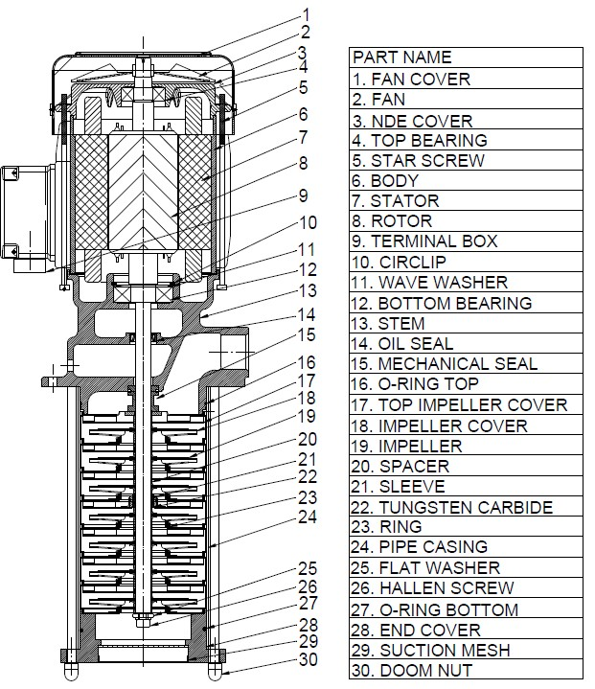
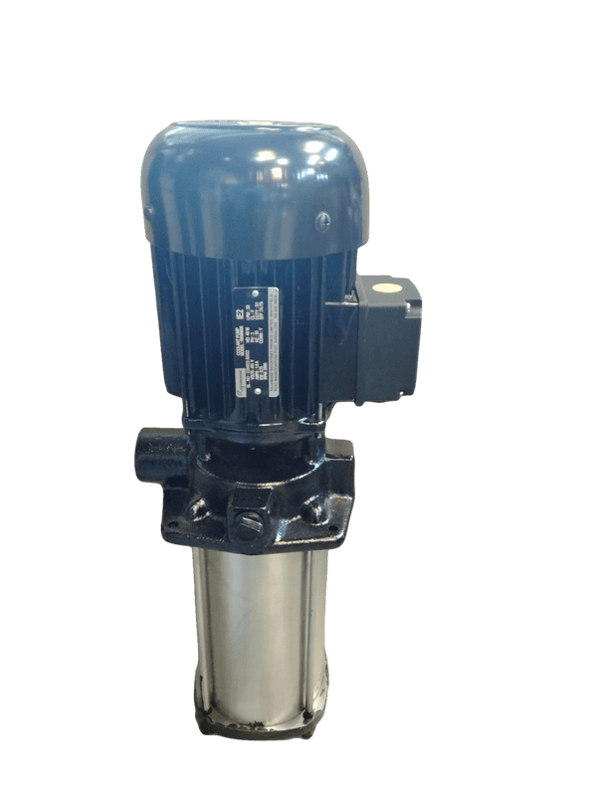
Model: | RTH607A265- 50 Hz |  |  | Speciality (if Any):
 |  |  |  | Special Code:
 |  |  |  | Description of Speciality

Technical Data
Power (kW) |  | 0.9KW | Rated Current (A) |  | 2.3
Voltage (V) |  | 415 V | Efficiency Level |  | IE3
Frequency (Hz) |  | 50 Hz | Insulation Class |  | F
RPM |  | 2880 | Duty |  | S1
Outlet Size |  | G1" (BSPP) | Flow (LPM) @Head(M) |  | 80 LPM @ 40m
Material Of Construction
Impeller |  | SS304 | Mechanical seal |  | SiC/SiC, NBR
Impeller cover |  | SS304 | Bush Bearings |  | Ceramic/TuC
Stem (pump body) |  | FG 150 | Shaft |  | SS304

Operating conditions
Max Ambient Temp. |  | 45℃ | Installation |  |  | Vertical
Max. Liquid Temp |  | 80℃ | Min. Filtration level |  |  | 500 microns
Max On/Off Cycle |  | 40 per Hour | Max. Viscocity (for given motor rating) |  |  | 15 CST
(Please Check with factory for more information on this)
Dimensional Details
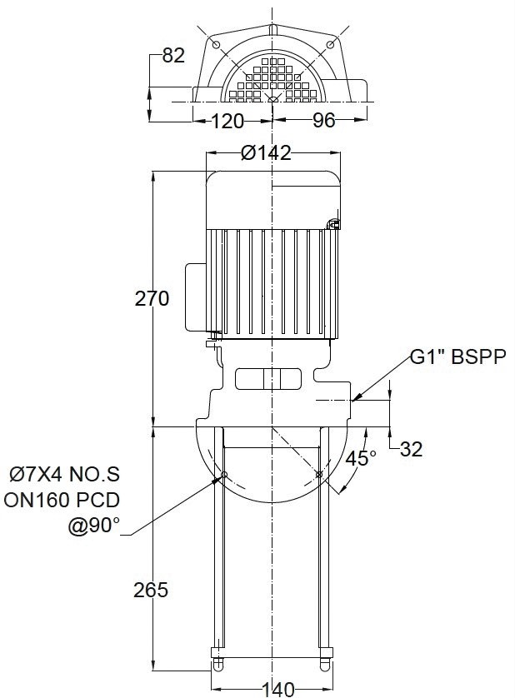

HQ Performance Curve
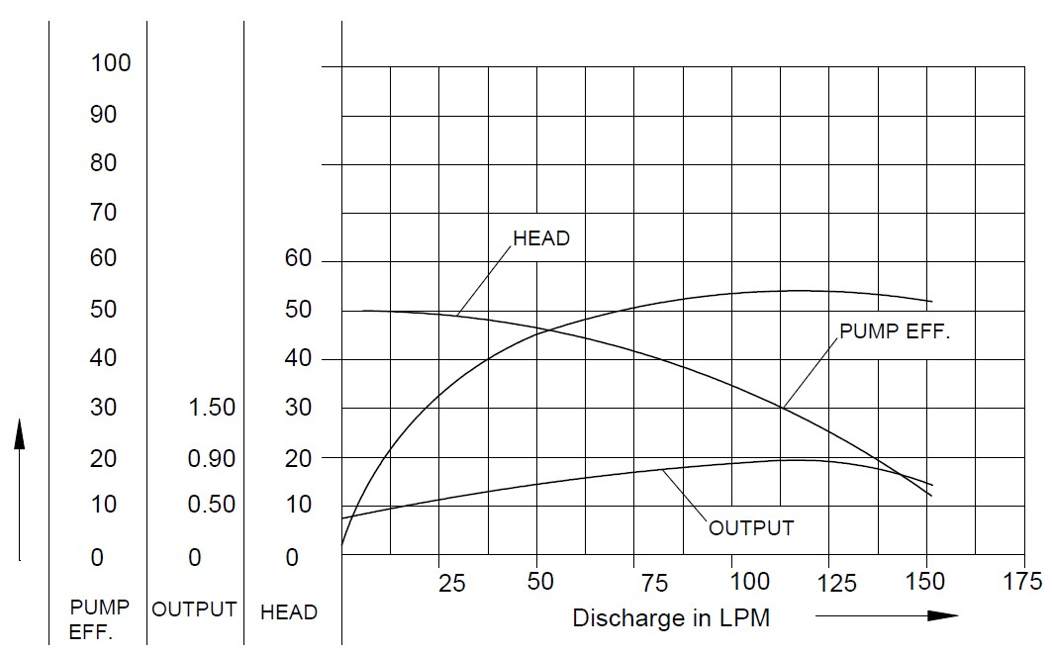

Parts List- Cross Section View (2D)

